Descriptive Statistic
Descriptive Statistics (Film Table)

minimum_rental_duration | maximum_rental_duration | average_rental_duration | minimum_rental_rate | maximum_rental_rate | average_rental_rate | minimum_replacement_cost | maximum_replacement_cost | average_replacement_cost | minimum_length | maximum_length | average_length | mode_rating | mode_language_id | mode_release_year | mode_last_update
3 | 7 | 4.985 | 0.99 | 4.99 | 2.98 | 9.99 | 29.99 | 19.984 | 46 | 185 | 115.272 | PG-13 | 1 | 2006 | 2013-05-26 14:50:58
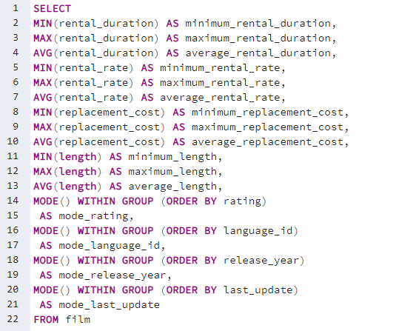

Descriptive Statistics (Customer Table)

first_name_mode_value | last_name_mode_value | create_data_mode_value | last_update_mode_value | active_mode_integer
Jamie | Abney | 2006-02-14 | 2013-05-26 14:49:45 | 1

Top 10 countries
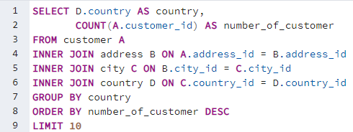
country | number_of_customer
India | 60
China | 53
United States | 36
Japan | 31
Mexico | 30
Brazil | 28
Russian Federation | 28
Philippines | 20
Turkey | 15
Indonesia | 14

country | number_of_customer
India | 60
China | 53
United States | 36
Japan | 31
Mexico | 30
Brazil | 28
Russian Federation | 28
Philippines | 20
Turkey | 15
Indonesia | 14

